source dashboard
Profit Margin | Column Labels
Row Labels | 2016 | 2017 | 2018 | 2019 | 2020
Furniture | 1,313,100 | 4,367,250 | 2,836,050 | 1,615,500 | 3,636,900 |  | Sum of Total Revenue | Tahun
Office Supplies | 15,825,300 | 26,552,550 | 29,838,000 | 24,720,600 | 5,909,550 |  | Kota | 2016 | 2017 | 2018 | 2019 | 2020
Technology | 28,026,530 | 50,349,300 | 68,854,800 | 53,741,100 | 10,204,950 |  | Bandung
total Profit Margin produk
 |  |  |  |  |  |  | Furniture |  | 6,470,618 | 879,840
 |  |  |  |  |  |  | Office Supplies | 27,312,065 | 67,420,149 | 66,970,370 | 199,533,900 | 50,612,636
 |  |  |  |  |  |  | Technology |  | 126,047,994 | 547,952,499 | 166,926,014 | 15,708,762
 |  |  |  |  |  |  | Jakarta
 |  |  |  |  |  |  | Furniture |  | 131,927,556 |  | 7,925,892 | 56,031,669
 |  |  |  |  |  |  | Office Supplies | 71,114,763 | 204,091,877 | 333,283,973 | 153,420,386 | 100,589,439
 |  |  |  |  |  |  | Technology | 446,354,594 | 733,285,791 | 1,111,959,617 | 673,490,949 | 49,895,675
 |  |  |  |  |  |  | Surabaya
 |  |  |  |  |  |  | Furniture | 87,288,492 | 44,475,745 | 31,300,350 | 40,409,016 | 40,991,265
 |  |  |  |  |  |  | Office Supplies | 524,213,805 | 1,001,593,923 | 911,842,416 | 804,734,826 | 153,243,948
 |  |  |  |  |  |  | Technology | 749,622,998 | 1,661,731,656 | 2,450,214,452 | 2,209,313,373 | 451,828,092

Kota | Sum of Margin Total | Profit Margin
Surabaya | 4,897,389,707 | 230,526,980 |  |  |  |  | Row Labels | Sum of Order Quantity |  | Row Labels | Sum of Discount % | Sum of Discount Rp
Jakarta | 1,758,873,678 | 75,521,850 |  |  |  |  | 2016 | 3,866 |  | Yuni Wastuti | 22% | 56,094,846
Bandung | 515,209,745 | 21,742,650 |  |  |  |  | 2017 | 6,200 |  | Rahmi Prakasa | 12% | 38,069,154
Grand Total | 7,171,473,130 | 327,791,480 |  |  |  |  | 2018 | 7,415 |  | Jasmani Napitupulu | 20% | 34,647,774
 |  |  |  |  |  |  | 2019 | 6,217 |  | Koko Setiawan | 31% | 33,765,860
 |  |  |  |  |  |  | 2020 | 2,321 |  | Amelia Kuswoyo | 22% | 29,902,338
Order quantity pertahun
Sum of COGS Total | Order Year
Product Name | 2016 | 2017 | 2018 | 2019 | 2020 | Grand Total
3Max Polarizing Task Lamp with Clamp Arm, Light Gray | 34,538,400 | 66,549,600 | 7,581,600 | 11,793,600 | 42,962,400 | 163,425,600
Adesso Programmable 142-Key Keyboard | 26,117,400 | 49,102,500 | 59,280,000 | 50,657,700 | 48,256,200 | 233,413,800
Cando PC940 Copier | 179,818,200 | 459,794,100 | 379,746,150 | 761,378,400 | 75,327,300 | 1,856,064,150
Cando S750 Color Inkjet Printer | 46,125,000 |  | 94,500,000 | 47,250,000 |  | 187,875,000
Deluxe Rollaway Locking File with Drawer | 5,364,900 | 120,710,250 | 40,236,750 | 67,061,250 |  | 233,373,150
Economy Rollaway Files | 60,957,000 | 55,877,250 | 46,733,700 |  | 10,159,500 | 173,727,450
Emerson LQ-870 Dot Matrix Printer |  | 3,294,150 |  | 144,942,600 |  | 148,236,750
Emerson Stylus 1520 Color Inkjet Printer |  | 146,758,650 | 397,668,600 | 118,353,750 |  | 662,781,000
HFX LaserJet 3310 Copier |  | 583,994,550 | 1,122,630,300 | 187,105,050 |  | 1,893,729,900
Multimedia Mailers | 58,143,150 | 23,853,600 | 183,374,550 | 147,594,150 |  | 412,965,450
TechSavi Cordless Elite Duo | 67,254,900 | 5,453,100 | 59,984,100 |  |  | 132,692,100
TypeRight Side-Opening Peel & Seel Expanding Envelopes | 21,173,100 | 21,987,450 | 21,173,100 | 52,932,750 | 20,358,750 | 137,625,150 | Sum of Cost Price | Order Year
UGen RF Keyboard | 36,715,500 | 61,192,500 | 23,253,150 | 37,939,350 |  | 159,100,500 | Pruduct name | 2016 | 2017 | 2018 | 2019 | 2020
UGen Ultra Cordless Optical Suite | 28,623,000 | 12,267,000 | 22,898,400 | 33,529,800 | 58,063,800 | 155,382,000 | Cando PC940 Copier | 7,424,850 | 19,979,400 | 18,089,700 | 19,979,400 | 4,184,850
UGen Ultra Professional Cordless Optical Suite | 136,155,000 | 14,085,000 | 143,197,500 | 154,935,000 |  | 448,372,500 | HFX LaserJet 3310 Copier |  | 17,009,550 | 28,349,250 | 11,339,700
 |  |  |  |  |  |  | Deluxe Rollaway Locking File with Drawer | 2,682,450 | 5,364,900 | 5,364,900 | 5,364,900
 |  |  |  |  |  |  | Emerson Stylus 1520 Color Inkjet Printer |  | 4,734,150 | 14,202,450 | 4,734,150
 |  |  |  |  |  |  | UGen Ultra Professional Cordless Optical Suite | 9,390,000 | 2,347,500 | 4,695,000 | 4,695,000
 |  |  |  |  |  |  | Adesso Programmable 142-Key Keyboard | 1,074,900 | 1,669,500 | 2,035,500 | 2,630,100 | 1,074,900
 |  |  |  |  |  |  | Multimedia Mailers | 2,981,700 | 1,490,850 | 4,472,550 | 4,472,550

Hasil pengerjaan
total Profit Margin produk

Timeline: Works in Excel 2013 or higher. Do not move or resize.

menentukan Produk dengan total Profit Margin tertinggi pertahun

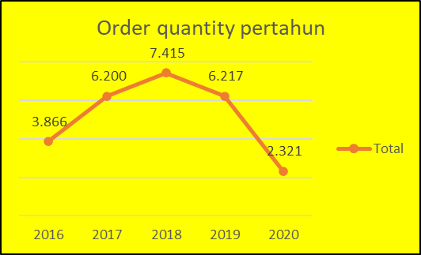
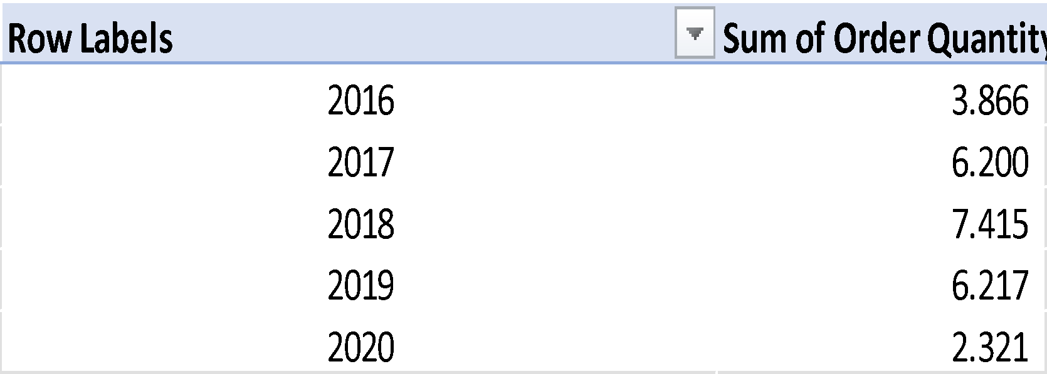


total order quantity dari tahun ke tahun
Top 7 Nama produk yang memiliki cost price tertinggi di tahun 2017

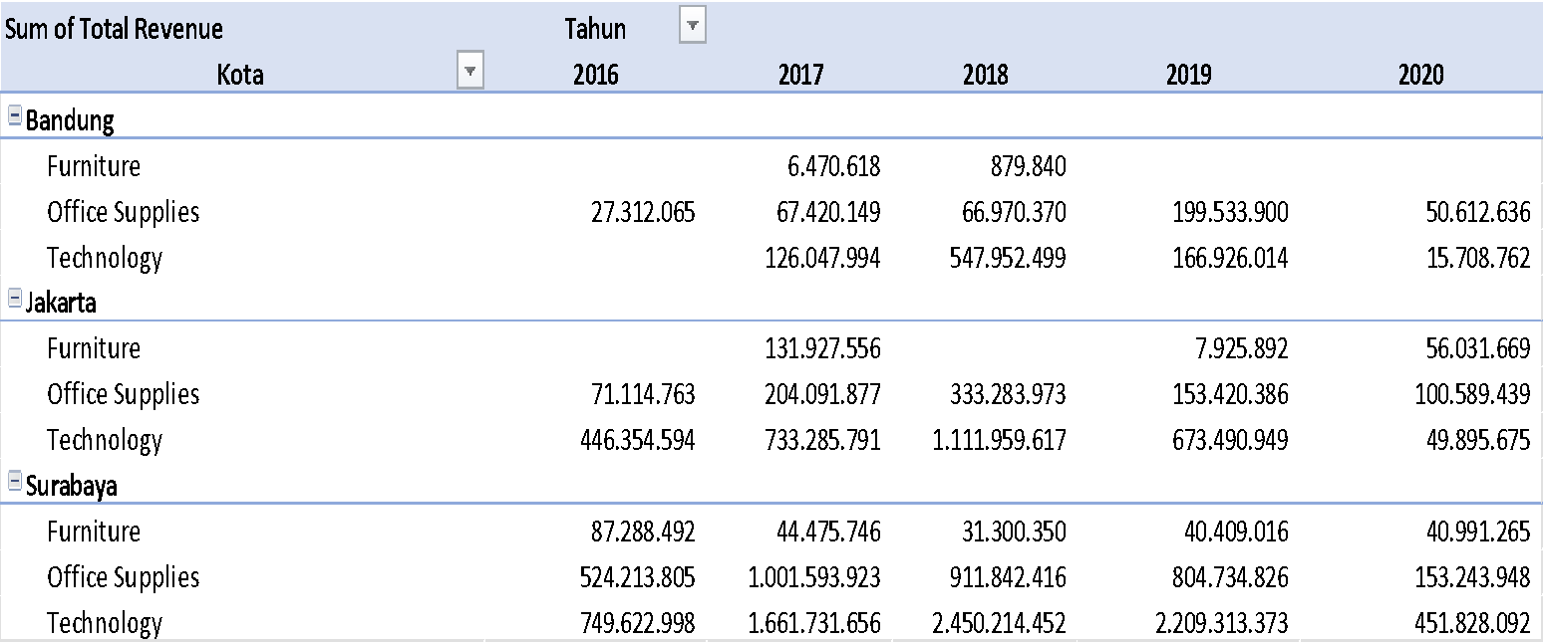
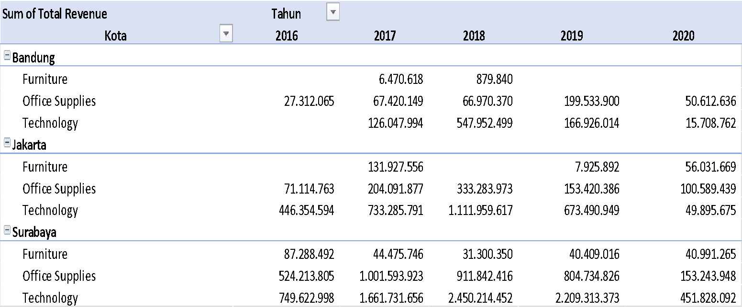

Menentukan kota mana yang memiliki total margin dan profit margin terbesar mana yang memMenentukan

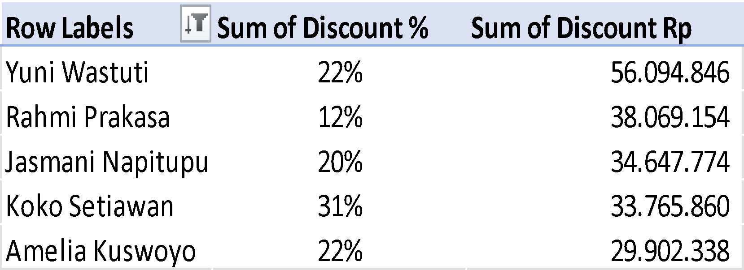


Top 5 nama customer yang mendapat total diskon tertinggi
kota dengan total revenue produk pertahun





Total 15 nama produk dengan COGS pertahun

